DASHBOARD
REGISTERED DOCTORS, DENTISTS, NURSES, AND COMMUNITY NURSES BY STATE IN MALAYSIA 2015-2017 DASHBOARD

 | Johor | Kedah | Kelantan | Melaka | Negeri Sembilan | Pahang | Perak | Perlis | Pulau Pinang | Sabah | Sarawak | Selangor
Nurse | 19914 | 13839 | 14585 | 6580 | 7717 | 11947 | 17614 | 2709 | 10533 | 21486 | 17091 | 26024
Registered Doctor, Dentist, Nurses and Community Nurses by state in Goverment Sector (2015-2017)
TOTAL REGISTERED DOCTORS, DENTISTS, NURSES , AND COMMUNITY NURSES BY STATE IN GOVERNMENT SECTOR.
 | Total
Government | 73421
Government | 14348
Government | 113296
Government | 213095
 |  |  | GOVERNMENT
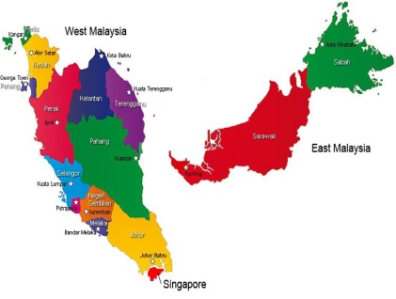

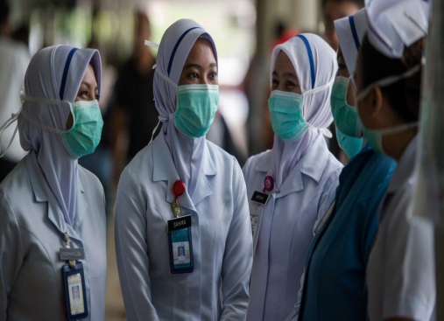

 | TOTAL : | 414160

TOTAL REGISTERED DOCTORS, DENTISTS, NURSES, AND COMMUNITY NURSES BY STATE IN PRIVATE SECTOR.
 | Total
Private | 1353
Private | 7820
Private | 41113
Private | 95683
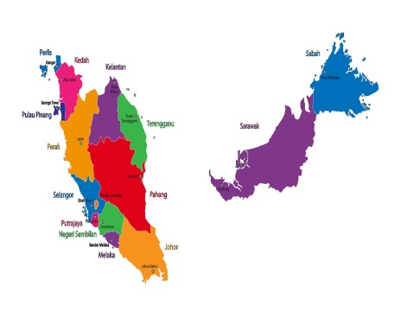
 | Johor | Kedah | Kelantan | Melaka | Negeri Sembilan | Pahang | Perak | Perlis | Pulau Pinang | Sabah | Sarawak | Selangor
Nurse | 9315 | 3265 | 1346 | 4586 | 3620 | 2615 | 5585 | 272 | 11872 | 3224 | 3912 | 24726
PRIVATE
Registered Doctor, Dentist, Nurses and Community Nurses by state in Private Sector (2015-2017)



 | TOTAL: | 145969

