ForrestAnalysis
Row Labels | Sum of Hectares | Percentage
Forested | 18243922 | 55%
Non-Forested | 14741508 | 45%
Grand Total | 32985430

Kawasan berhutan dan tidak berhutan

Sheet3
Sum of Hectares | Column Labels
Row Labels | Forested | Non-Forested | Grand Total
Johor | 8454205 | 25760278 | 34214483
Kedah | 6196627 | 10726575 | 16923202
Kelantan | 15424980 | 11600713 | 27025693
Melaka | 104329 | 2875305 | 2979634
Negeri Sembilan | 2966257 | 9004892 | 11971149
Pahang | 36888871 | 27831429 | 64720300
Perak | 18695239 | 19134538 | 37829777
Perlis | 207032 | 1235446 | 1442478
Pulau Pinang | 138927 | 1717385 | 1856312
Selangor | 4438347 | 9808790 | 14247137
Terengganu | 11772213 | 11544926 | 23317139
W.P. Kuala Lumpur | 23692 | 486626 | 510318
Grand Total | 105310719 | 131726903 | 237037622

Sheet4
Jumlah Hektar Kawasan Berhutan Dan Tidak Berhutan Mengikut Negeri
Row Labels | Sum of Hectares
Kedah | 16923202
Forested | 6196627
Non-Forested | 10726575
Grand Total | 16923202

Dashboard


Peratus Kawasan Berhutan Dan Tidak Berhutan Di Malaysia Mengikut Tahun
 | Total
Forested | 18243922
Non-Forested | 14741508
Dashboard Analisis Kawasan Berhutan Dan Tidak Berhutan Di Malaysia (2000-2017)
 | Forested | Non-Forested
Johor | 8454205 | 25760278
Kedah | 6196627 | 10726575
Kelantan | 15424980 | 11600713
Melaka | 104329 | 2875305
Negeri Sembilan | 2966257 | 9004892
Pahang | 36888871 | 27831429
Perak | 18695239 | 19134538
Perlis | 207032 | 1235446
Pulau Pinang | 138927 | 1717385
Selangor | 4438347 | 9808790
Terengganu | 11772213 | 11544926
W.P. Kuala Lumpur | 23692 | 486626

Kawasan Hutan Dan Tidak Berhutan Mengikut Kawasan Semenanjung dan Sabah Sarawak

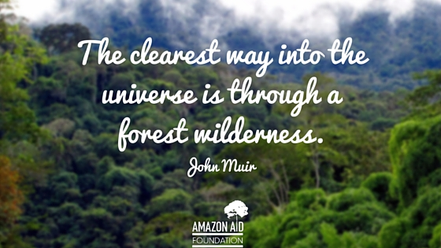

Jumlah Hektar Kawasan Berhutan Dan Tidak Berhutan Mengikut Negeri
 | Total
Forested | 6196627
Non-Forested | 10726575

